Module 16
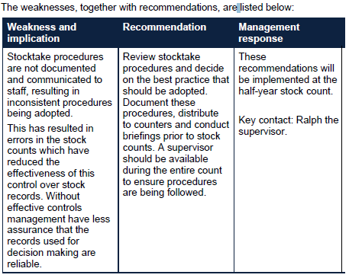
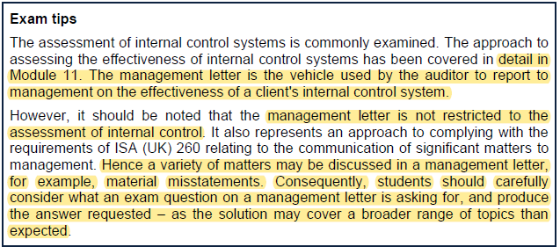
Main
 | Module 16 - The audit report and communications to those charged with governance

 | Three deliverables.

 | Audit report | opinion and any other relevant reporting areas
 | Mgmt letter
 | Letter of representation

 | ISA (UK) 240 The Auditor's Responsibilities Relating to Fraud in an Audit of Financial Statements
 | ISA (UK) 250A Consideration of Laws and Regulations in an Audit of Financial Statements
 | ISA (UK) 250B The Auditor's Statutory Right and Duty to Report to Regulators of Public Interest Entities and Regulators of Other Entities in the Financial Sector
 | ISA (UK) 260 Communication with Those Charged with Governance
 | ISA (UK) 265 Communicating Deficiencies in Internal Control to Those Charged with Governance and Management
 | ISA (UK) 570 Going Concern
 | ISA (UK) 700 Forming an Opinion and Reporting on Financial Statements
 | ISA (UK) 701 Communicating Key Audit Matters in the Independent Auditor's Report
 | ISA (UK) 705 Modifications to the Opinion in the Independent Auditor's Report
 | ISA (UK) 706 Emphasis of Matter Paragraphs and Other Matter Paragraphs in the Independent Auditor's Report
 | ISA (UK) 720 The Auditor's Responsibilities Relating to Other Information

 | Module 22 of AR (TC)

 | Forming an opinion
 | sufficient and appropriate evidence
 | uncorrected mistatements

 | Content of the auditor's report
 |  | Element
 |  | 1. Title (para 21)
 |  | 2. Addressee (para 22)
 | The wording of these can be modified | 3. Auditor's opinion (para 23-27)
 |  | 4. Basis for opinion (para 28)
 |  | 5. Conclusions relating to going concern (para 29)
 |  | 6. Irregularities including fraud (para 29-1)
 |  | 7. Key audit matters (para 30-31) - only needed for listed or PIE entities
 |  | 8. Other information (para 32)
 |  | 9. Other reporting responsibilities (para 43-45)
 |  | 10. Responsibilities of management for the financial statements (para 33-36)
 |  | 11. Auditor's responsibilities for the audit of the financial statement (para 37-42)
 |  | 12. Name of the engagement partner (para 46) - only needed for listed or PIE entities
 |  | 13. Signature of the auditor (para 47)
 |  | 14. Address of the auditor (para 48)
 |  | 15. Date of the auditor’s report (para 49)

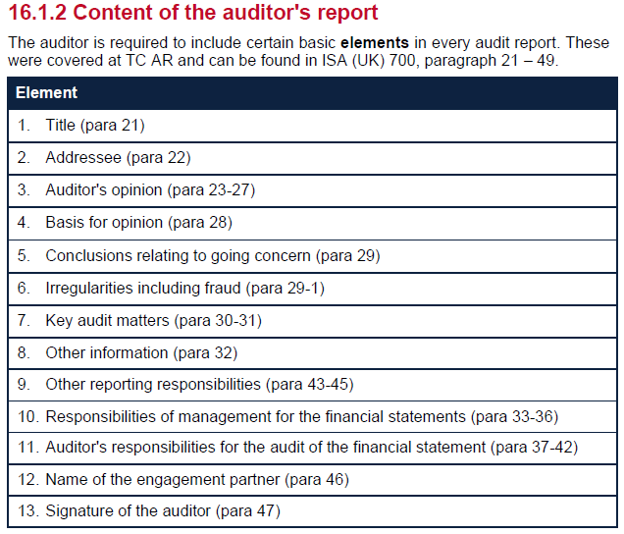

 | pg 510 of Mod 22 AR - standard wording of an audit report]

 | Different requirements of the client will require tailoiring of the audit report
 | wording differs based on which framework is being used
 | parent co. or sub.
 | need to have the right wording for the right circumstances and the right client
 | FRS102 or IFRS - modify wording accordingly

 | Modified audit report
 | unqualified or unmodified opinon

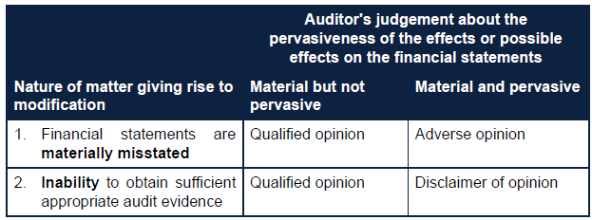

 | inabiltiy to obtain sufficient appropriate audit evidence aka limitation of scope
 | consider if the matter is pervasive of just material
 | pervasivity determines the audit opinion we will give

 | Limitation imposed by mgmt
 | where a limitation is imposed my mgmt
 | the auditor should ask management to remove the limitation

 | If mgmt refuce,
 | the auditor should communicate to TCWG
 | perform alternative procedures

 | if the auditor is unable to undertake alternative procedures
 | Qaulify the opinion if material, but not pervasive
 | if pervasive
 | withdraw from the audit
 | if not practical or possible to withdraw, disclaim the opinion

 | Empahsis of matter
 | must be pervasive and fundemental
 | we want to draw attention to this specific area
 | include EOM but do not have to modify
 | If a matter is not appropriately presented or disclosed, this is a material
 | misstatement in the financial statements that would result in a modified audit opinion.

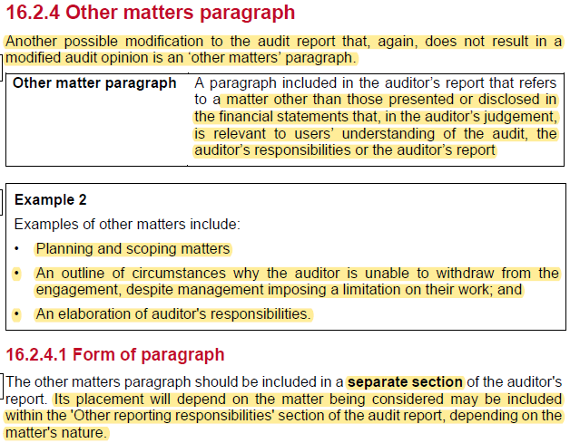

 | Key audit matter

 | listed and PIE and those who are required to apply the UK corporate governance code

 | Going concern
 | if mattters cast doubt over the going concern this needs to be detailed in the going concern section

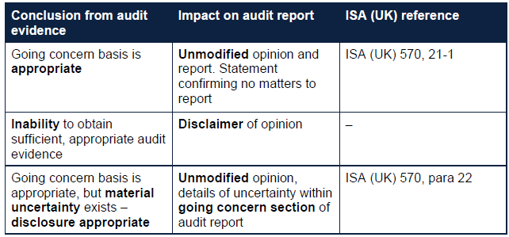

 | Activity 1
 | think about the opinion
 | and the relevant modifications required

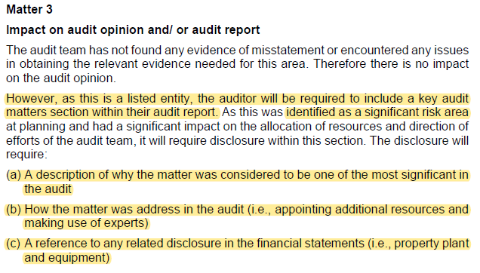

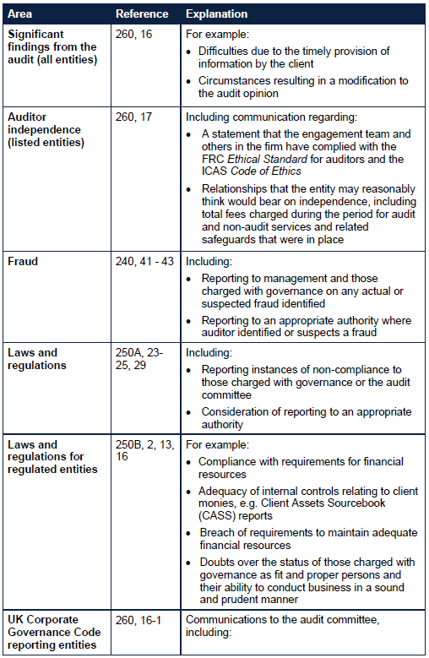

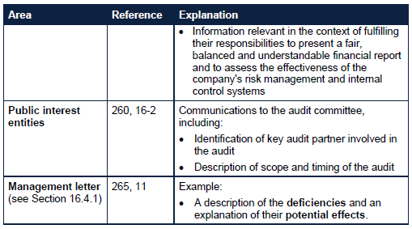

 | Management letter

